6. Graphs and Recommendations
Instacart Project - Visualizations

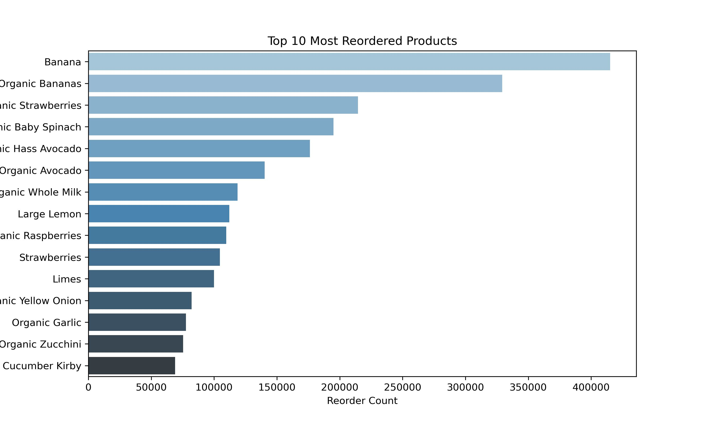
This page presents some insights found in the data.

 | The bar chart above shows the products that are regularly bought. Customers, that placed more than one order, may reorder certain products. Bananas and organic bananas are the most reordered products.

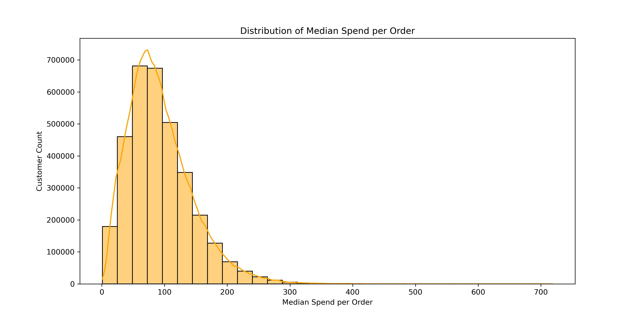
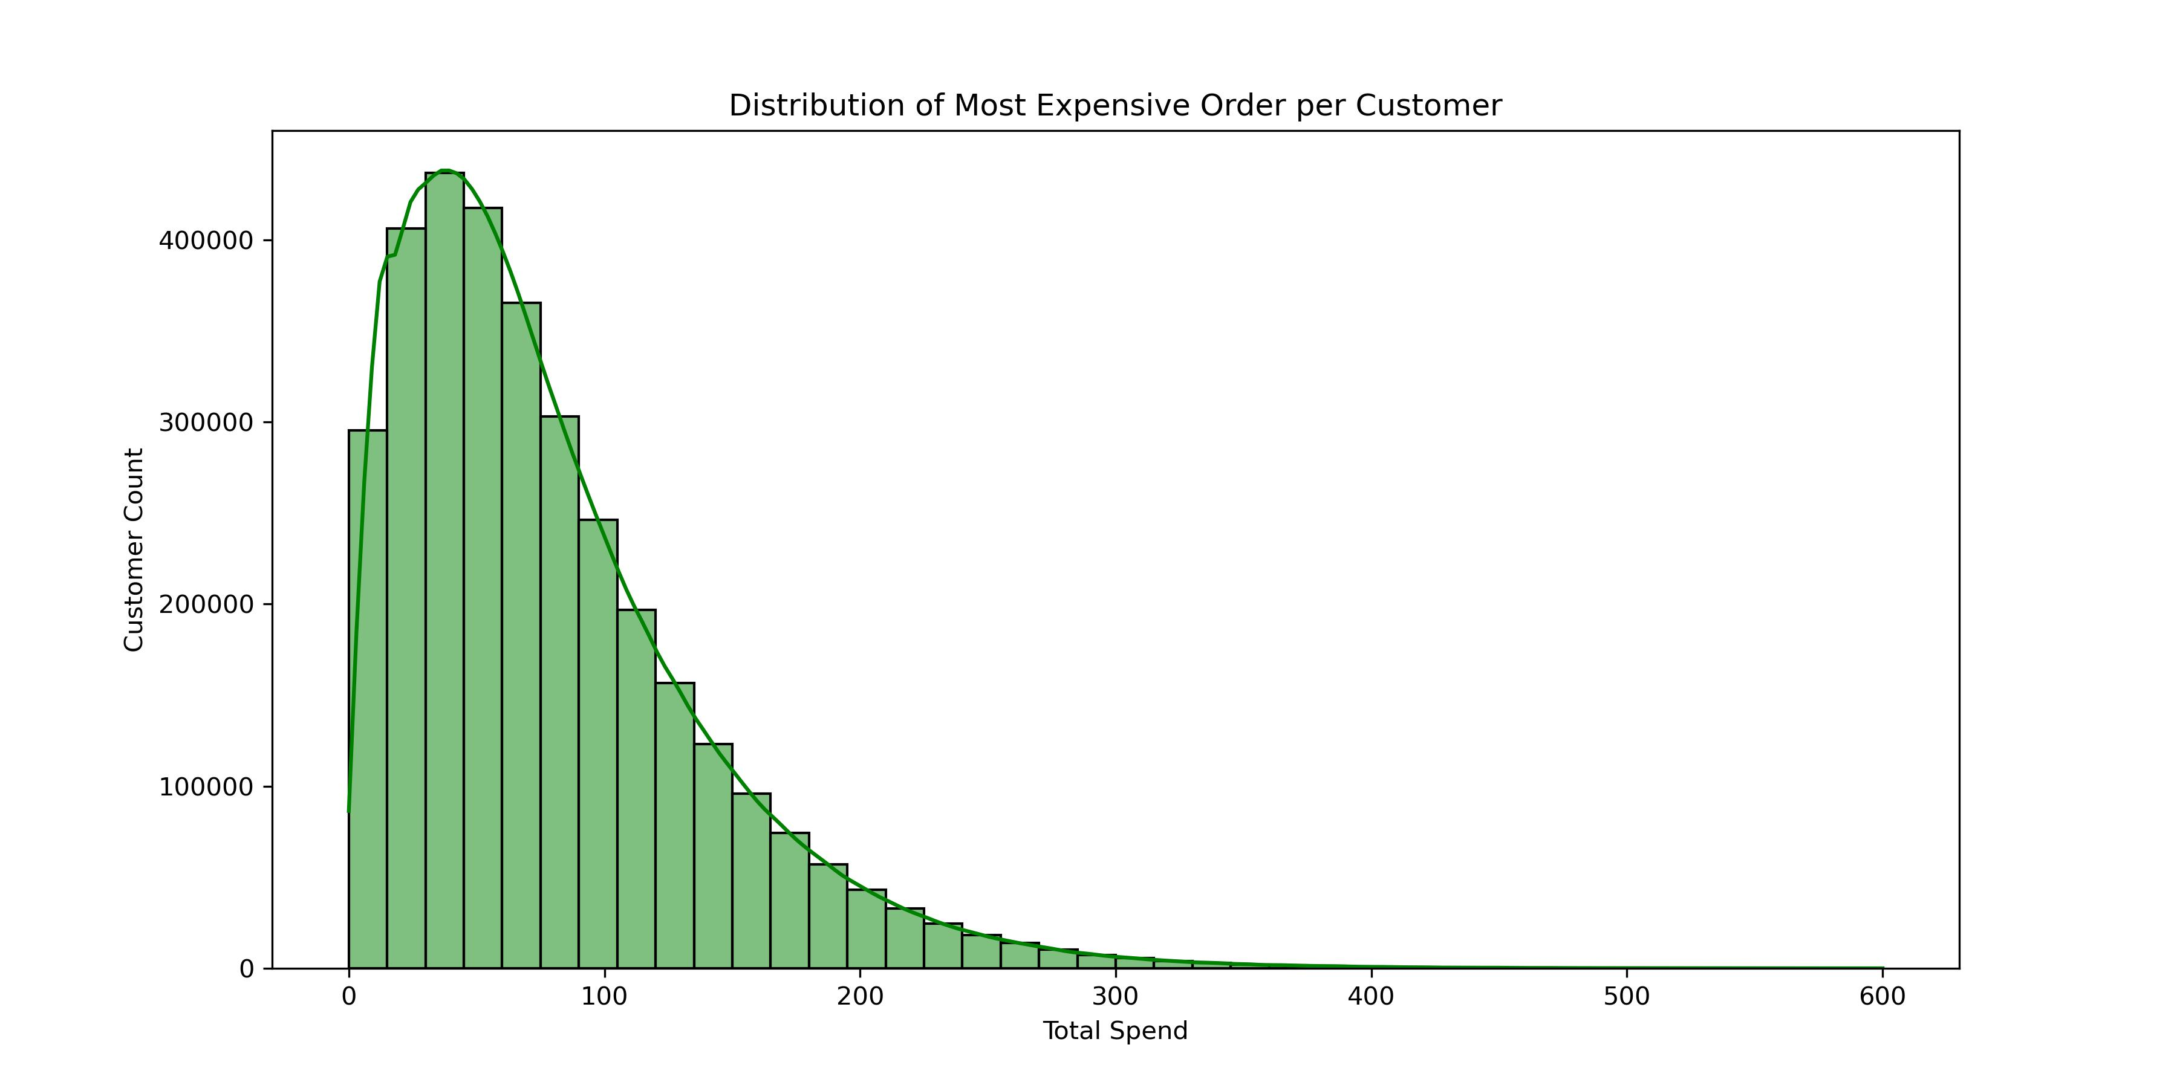

The graph shows the distribution of the median cost per order. Most customers spend up to 200 dollars on their orders, while the peak of customers is around a median spend under 100 dollars. | This graph shows the distribution of the most expensive order. Most customers never spend more than 200 dollars on an order.

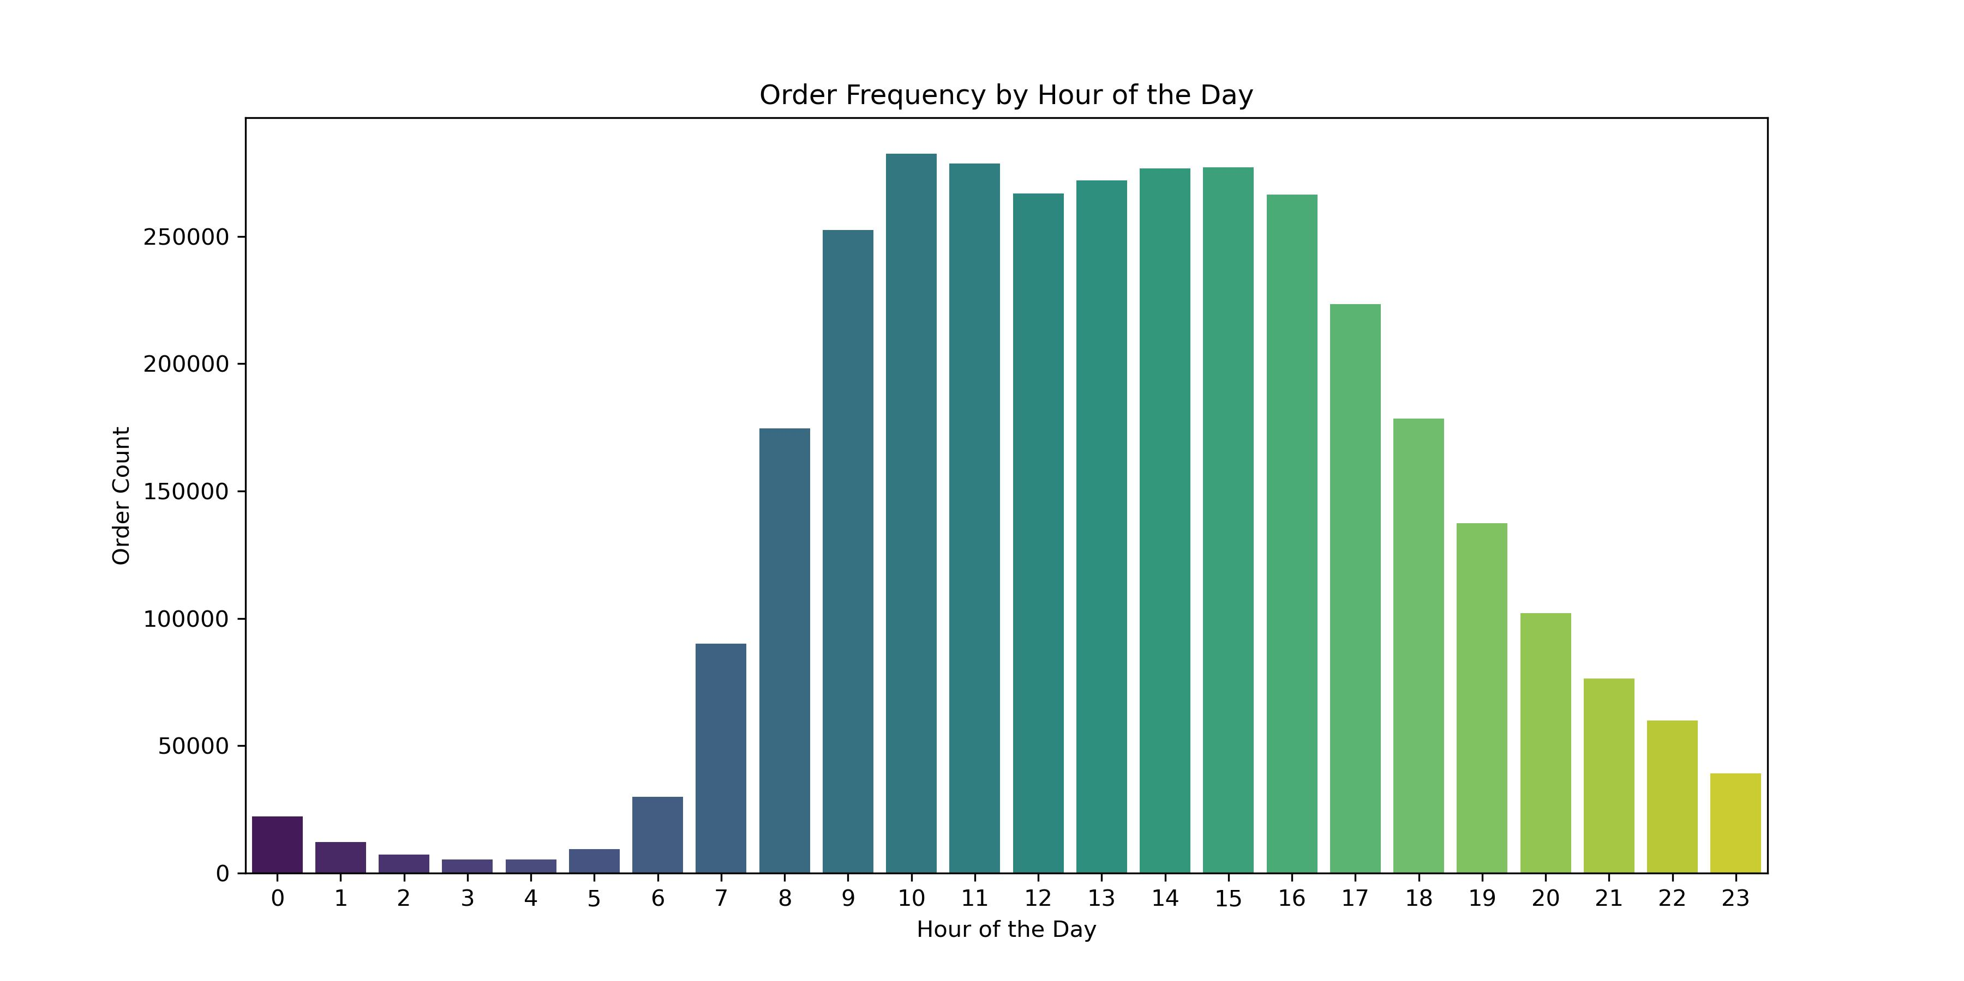
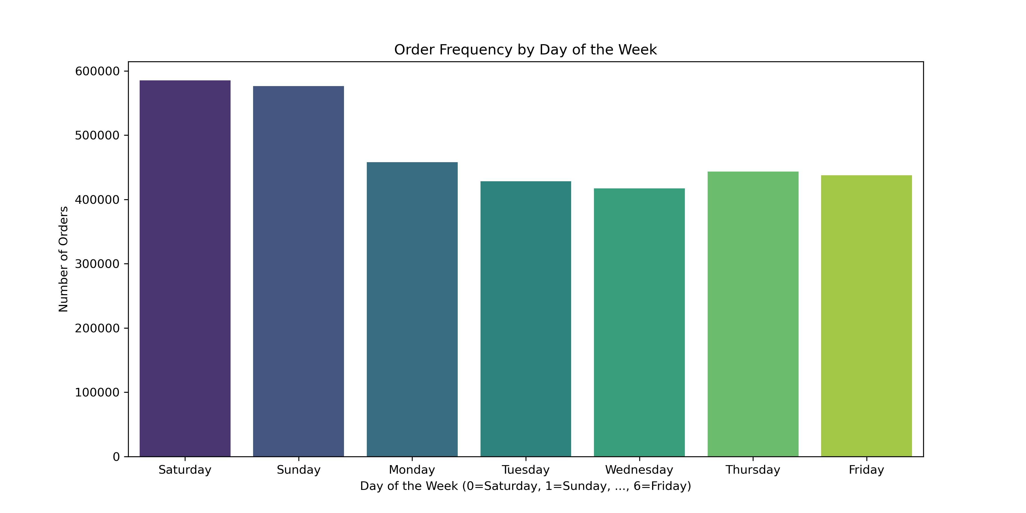

This graph shows in which hour of the day the orders are placed. | This graph shows how many orders were placed on the different days of the week.

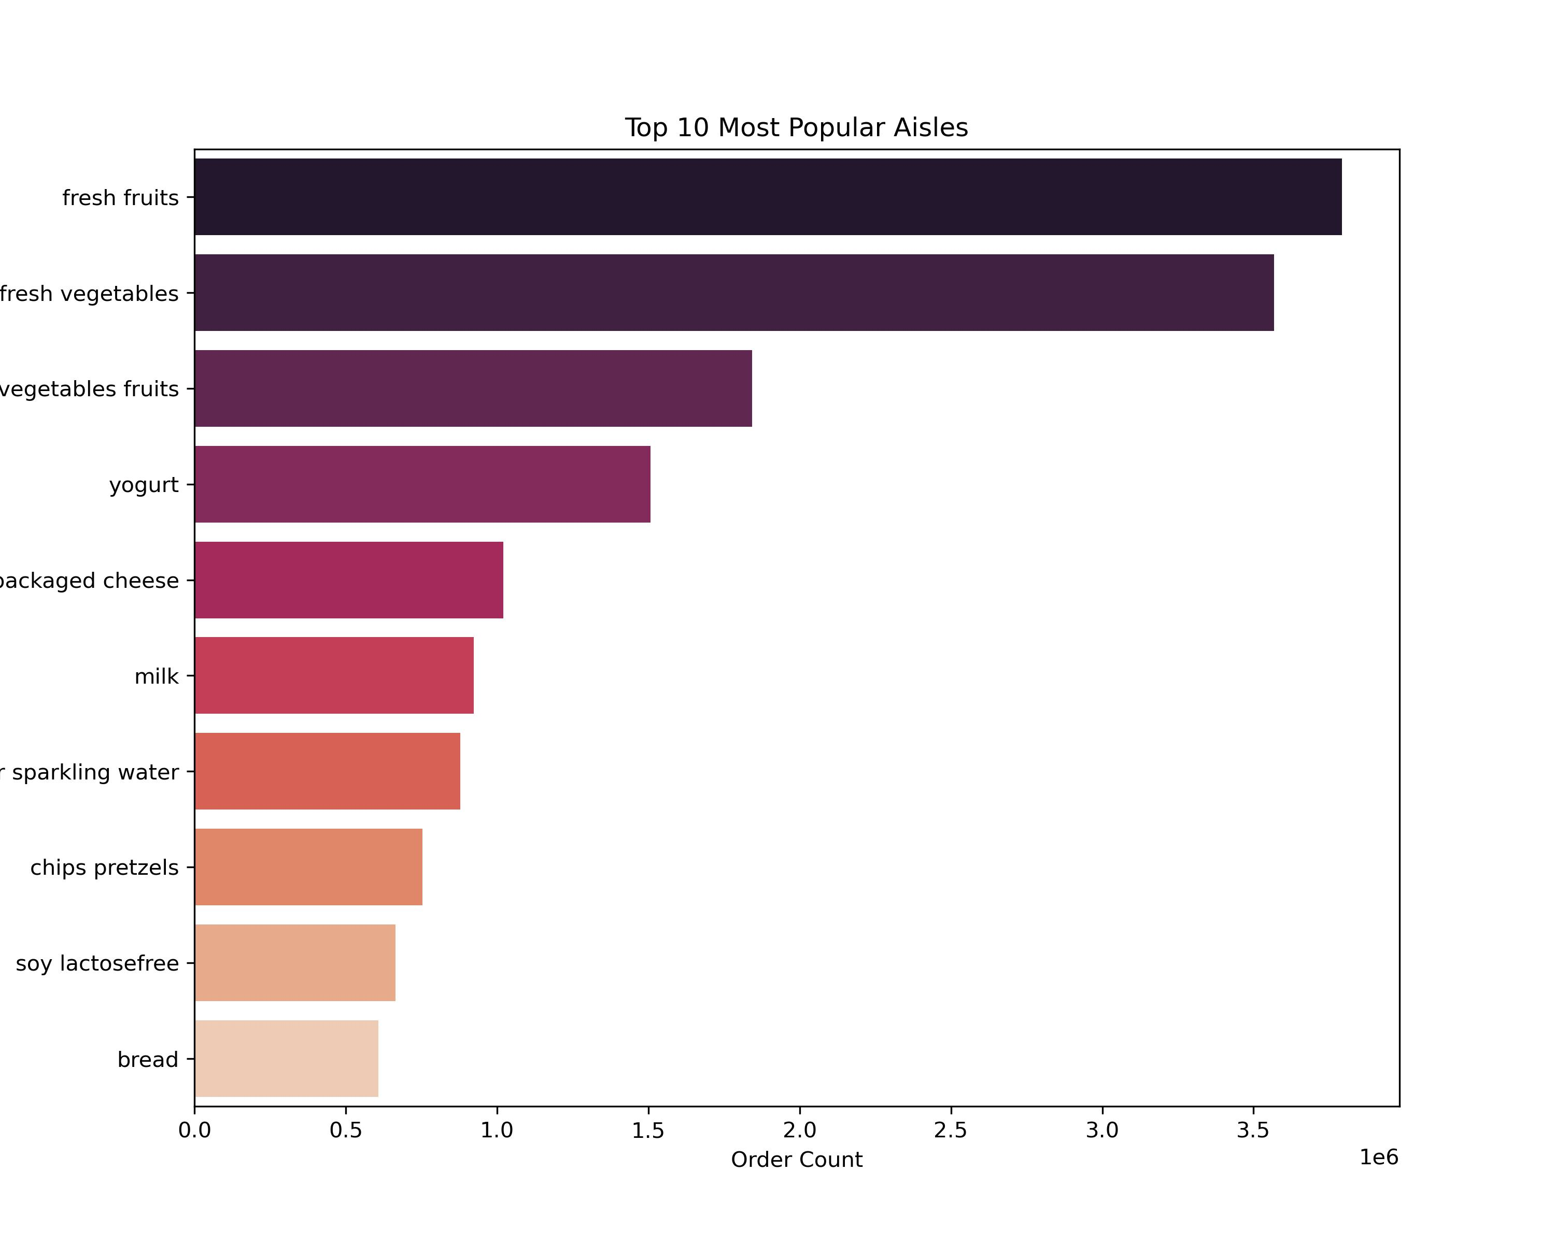
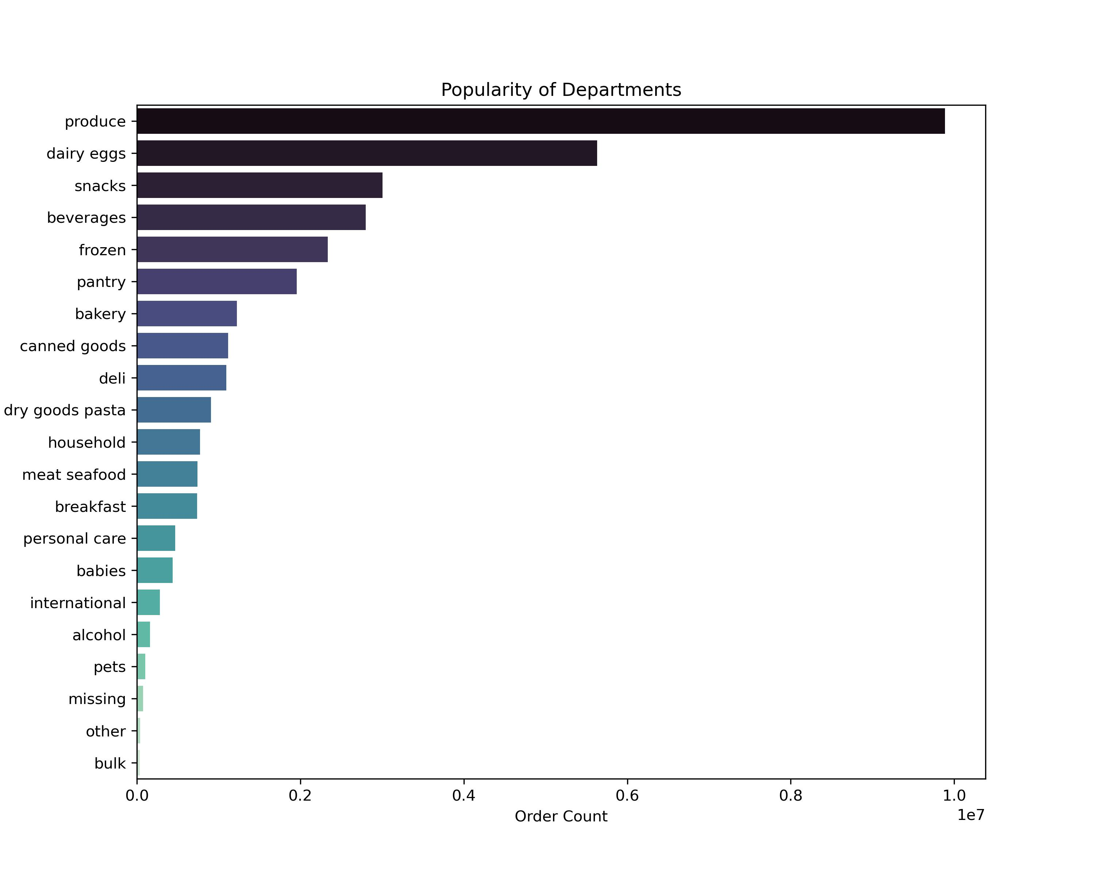

This graph displays from which aisle the most products are ordered. | This graph displays from which department the most products are ordered.

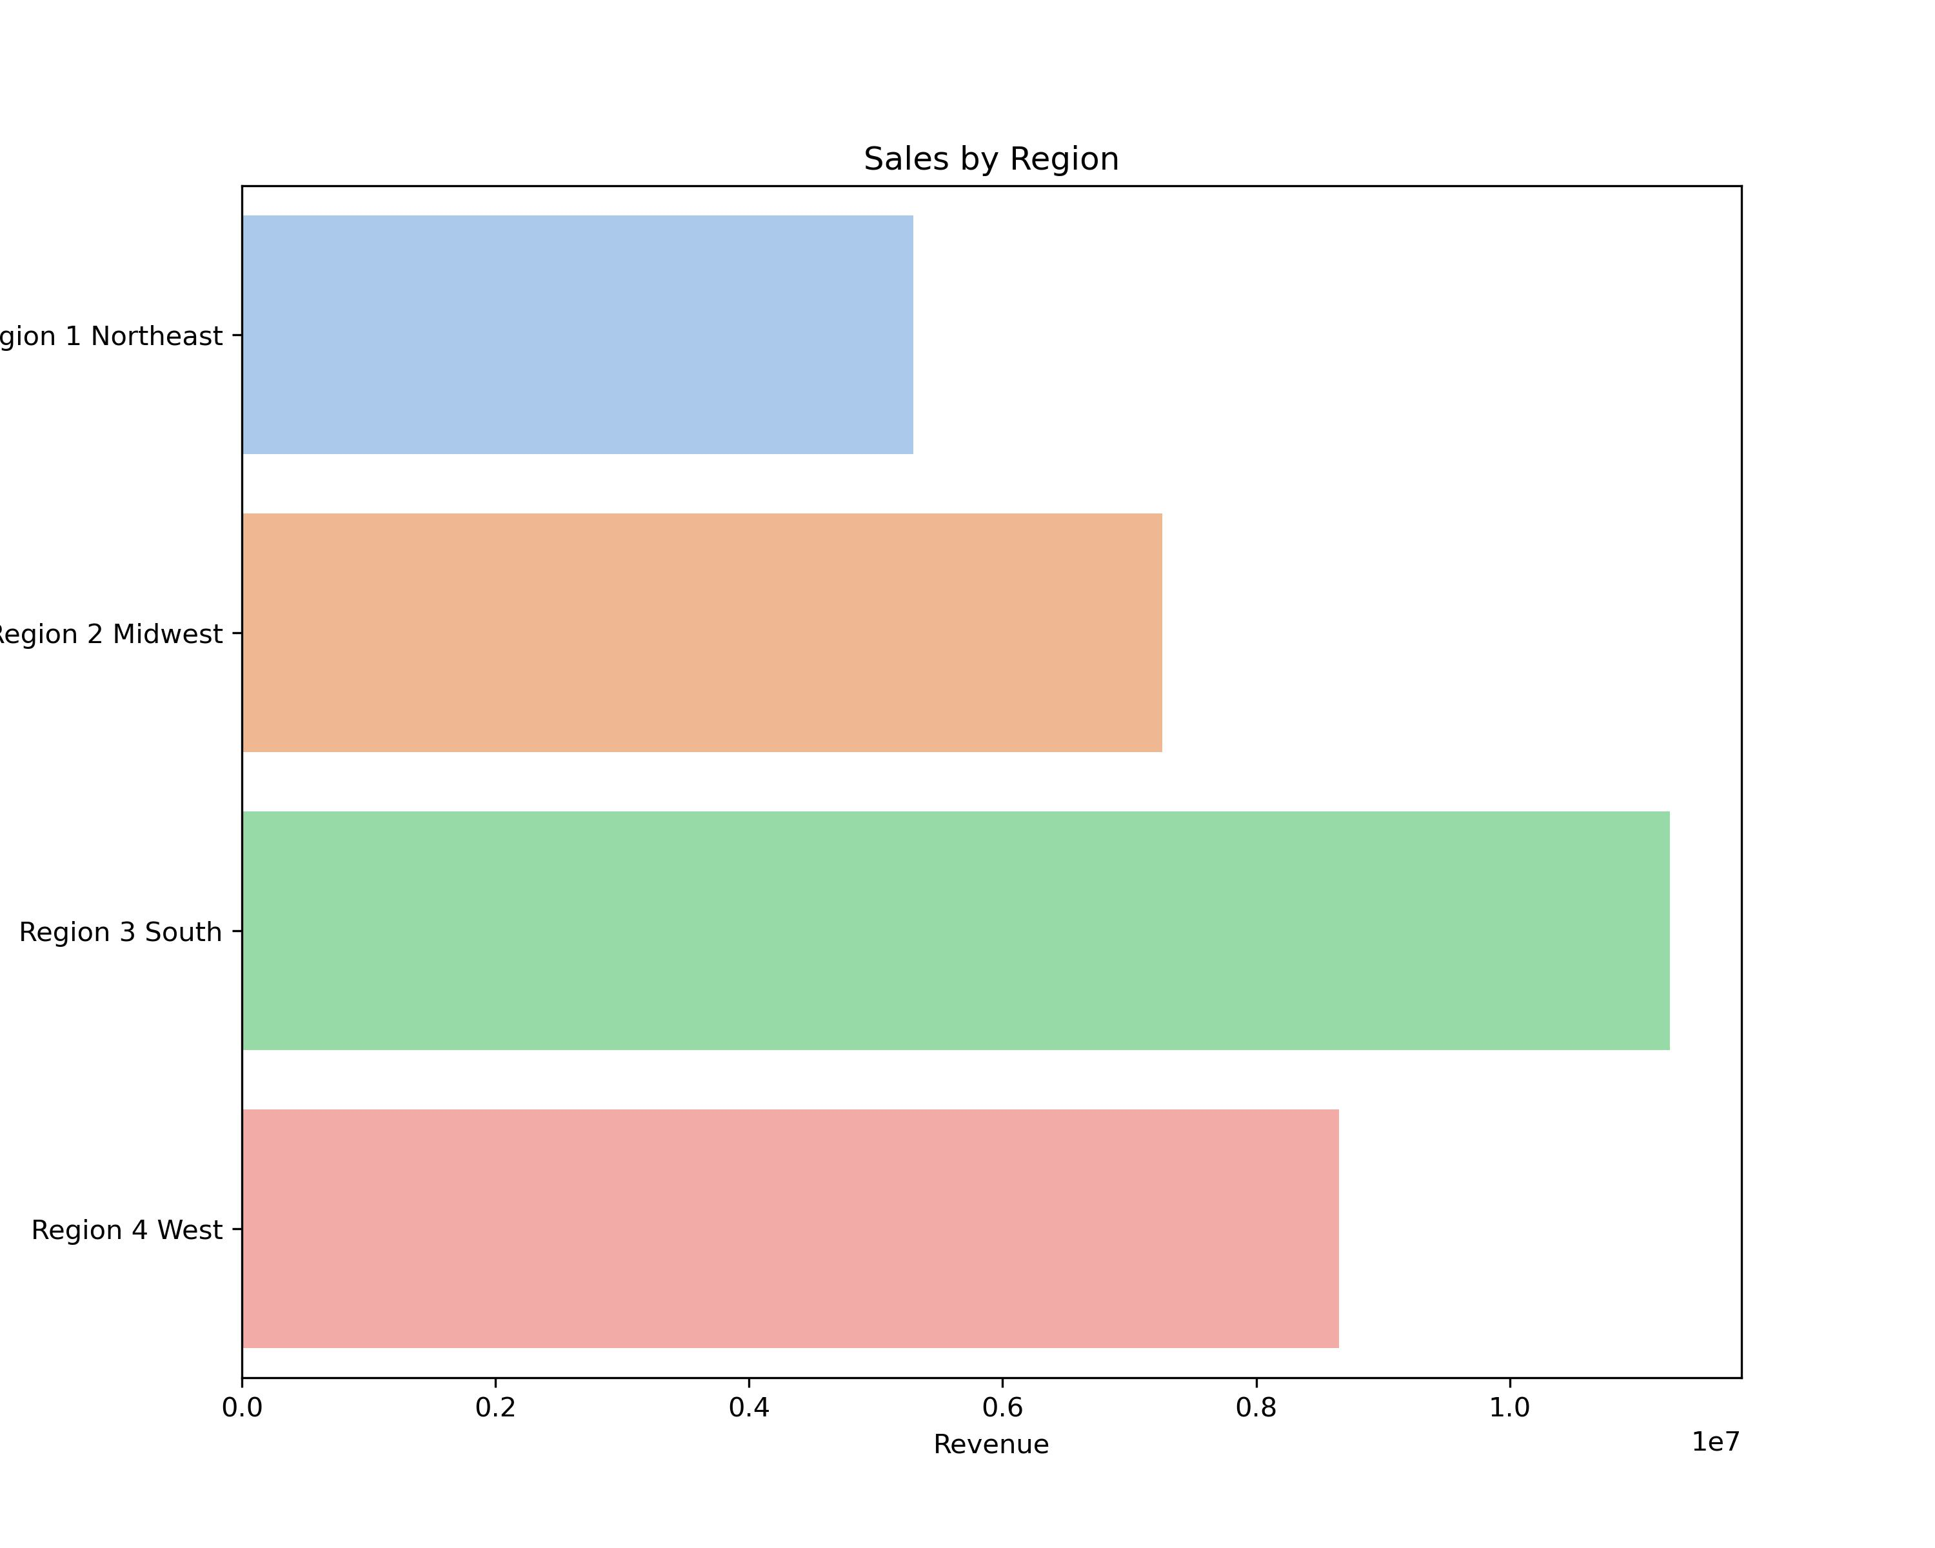
 | region | sum of orders
 | Region 1 Northeast | 15720245.5
 | Region 2 Midwest | 15744244.1
 | Region 3 South | 15779811.6
 | Region 4 West | 15716783.4

 | On the left the graph shows which region has the highest sales. But since it shows the total sales, the Region 3 South has the highest revenue, because it is the largest region. To correct for that, a subset was created with 200,000 randomly selected customers from each region. The subset shows no difference in revenue, which means that customers have similar spending regardless of location.

